Introduction
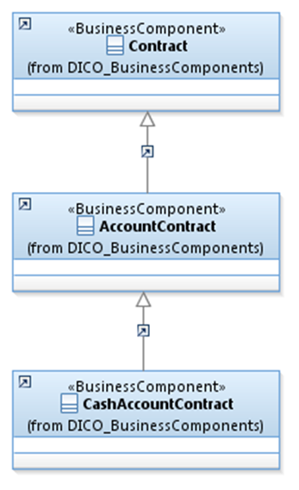
 | Introduction

This document describes the Business Model Components and Elements used by the Shareholders Identification Disclosure message definitions.

In the “Business Model” tab, the cells with text in green indicate the business concepts used by the Shareholders Identification Disclosure message set

The “Traces” tab shows to which business concepts the Shareholders Identification Disclosure message components and message elements trace.

SRD2
